Sheet1
GDP - II | Updated Iteration Plan
Submission Date | 2017-03-15

Project Name | Traffic Modeling System
Team B | Ekathra
Client Name | Dr.Michael Oudshoorn
Workbreak Down Structure
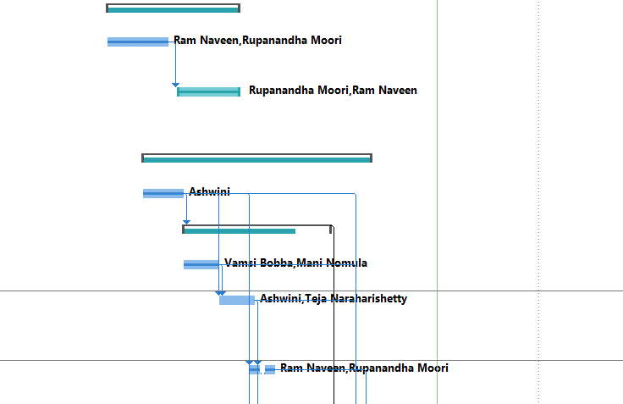
Task Mode | Task Name | Duration | Start | Finish | Predecessors | Resource Names | Status
Manually Scheduled | 1.0 Architecture Design & support | 20 days | Mon 1/9/17 | Fri 2/3/17 |  | Rupanandha Moori[0%],Ram Naveen[0%] | Complete
Auto Scheduled | 1.1 Application analysis & overview | 10 days | Mon 1/9/17 | Fri 1/20/17 |  | Ram Naveen,Rupanandha Moori | Complete
Manually Scheduled | 1.2 Architecture and implementation objectives | 10 days | Mon 1/23/17 | Fri 2/3/17 | 2 | Rupanandha Moori,Ram Naveen | Complete
Manually Scheduled | 2.0 Car generation development | 33 days | Mon 1/16/17 | Wed 3/1/17 |  | Mani Nomula [0%],Vamsi Bobba[0%] | Complete
Auto Scheduled | 2.1 Default values loading | 6 days | Mon 1/16/17 | Mon 1/23/17 |  | Ashwini | Complete
Manually Scheduled | 2.2 Car Properties | 21 days | Tue 1/24/17 | Tue 2/21/17 | 5 |  | Complete
Auto Scheduled | 2.2.1 Car Speeding | 5 days | Tue 1/24/17 | Mon 1/30/17 |  | Vamsi Bobba,Mani Nomula | Complete
Auto Scheduled | 2.2.2 Acceleration and deceleration | 0 days | Tue 1/31/17 | Fri 2/3/17 | 5,7 | Ashwini,Teja Naraharishetty | Complete
Auto Scheduled | 2.2.3 Integration and unit,module testing | 4 days | Mon 2/6/17 | Fri 2/10/17 | 7,8 | Ram Naveen,Rupanandha Moori | Complete
Auto Scheduled | 2.2.4 Direction Selection | 7 days | Mon 2/6/17 | Tue 2/14/17 | 5,7,8 | Mani Nomula ,Vamsi Bobba | Complete
Auto Scheduled | 2.3 Integration of Car Generator | 3 days | Wed 2/22/17 | Fri 2/24/17 | 6 | Mani Nomula ,Vamsi Bobba | Complete
Auto Scheduled | 2.4 Integration and unit,module testing | 3 days | Mon 2/27/17 | Wed 3/1/17 | 11,5,7,8,10 | Ashwini,Ram Naveen | Complete
Auto Scheduled | 2.5 Milestone 1 | 0 days | Wed 3/1/17 | Wed 3/1/17 | 12,9 |  | Complete
Manually Scheduled | 3.0 Roads & roads integration | 34 days | Mon 1/16/17 | Thu 3/2/17 |  | Sahil Nokhwal[0%],Teja Naraharishetty[0%] | Late
Auto Scheduled | 3.1 Drag & Drop functionality | 8 days | Mon 1/16/17 | Wed 1/25/17 |  | Sahil Nokhwal | Late
Auto Scheduled | 3.2 Roundabouts Generation | 7 days | Mon 1/16/17 | Tue 1/24/17 |  | Teja Naraharishetty | Complete
Auto Scheduled | 3.3 2-Stop Sign Generation | 6 days | Thu 1/26/17 | Thu 2/2/17 | 15 | Sahil Nokhwal | Complete
Auto Scheduled | 3.4 4-Stop Sign Road Generation | 6 days | Fri 2/3/17 | Fri 2/10/17 | 17 | Sahil Nokhwal | Complete

Auto Scheduled | 3.5 T Junction Generation | 3 days | Mon 2/20/17 | Wed 2/22/17 | 17,15,18 | Teja Naraharishetty | Complete
Auto Scheduled | 3.6 Integration | 5 days | Mon 2/13/17 | Fri 2/17/17 | 15,18,16,17 | Sahil Nokhwal,Teja Naraharishetty | Late
Auto Scheduled | 3.7 Unit and module testing | 9 days | Mon 2/20/17 | Thu 3/2/17 | 20 | Ashwini,Rupanandha Moori | Late
Auto Scheduled | 3.8 Milestone 2 | 0 days | Thu 3/2/17 | Thu 3/2/17 | 21 |  | Late
Manually Scheduled | 4.0 Series of main tasks | 13 days | Thu 3/2/17 | Mon 3/20/17 | 12 |  | On Schedule
Auto Scheduled | 4.1 Car acceleration and decceleration at stop signs | 3 days | Thu 3/2/17 | Mon 3/6/17 | 12 | Mani Nomula ,Vamsi Bobba,Ashwini,Ram Naveen,Rupanandha Moori,Sahil Nokhwal,Teja Naraharishetty | Complete
Auto Scheduled | 4.2 Car Collision Handling | 3 days | Tue 3/7/17 | Thu 3/9/17 | 24,12 | Sahil Nokhwal,Teja Naraharishetty,Ashwini,Mani Nomula ,Ram Naveen,Rupanandha Moori,Vamsi Bobba | Complete
Auto Scheduled | 4.3. Car Percentage distribution | 7 days | Fri 3/10/17 | Mon 3/20/17 | 25 | Ashwini,Mani Nomula ,Ram Naveen,Rupanandha Moori,Sahil Nokhwal,Teja Naraharishetty,Vamsi Bobba | On Schedule
Manually Scheduled | 4.4 Milestone 3 | 0 days | Tue 3/21/17 | Tue 3/21/17 | 26 |  | Future Task
Manually Scheduled | 5.0 User,unit testing, and module testing & documentation | 11 days | Mon 3/20/17 | Mon 4/3/17 |  |  | Future Task
Auto Scheduled | 5.1 Designing 2-D layout | 4 days | Mon 3/20/17 | Thu 3/23/17 | 25 | Ashwini,Mani Nomula ,Ram Naveen,Rupanandha Moori,Sahil Nokhwal,Teja Naraharishetty,Vamsi Bobba | Future Task
Auto Scheduled | 5.2 Integration testing,Unit testing anddocumentation | 4 days | Fri 3/24/17 | Wed 3/29/17 | 29 | Ashwini,Mani Nomula ,Ram Naveen,Rupanandha Moori,Sahil Nokhwal,Teja Naraharishetty,Vamsi Bobba | Future Task
Auto Scheduled | 5.3 Fixing Bugs for the code | 2 days | Thu 3/30/17 | Fri 3/31/17 | 30 | Ashwini,Mani Nomula ,Ram Naveen,Rupanandha Moori,Sahil Nokhwal,Teja Naraharishetty,Vamsi Bobba | Future Task
Auto Scheduled | 5.4 Complete Project Testing | 1 day | Mon 3/20/17 | Mon 3/20/17 |  |  | Future Task
Manually Scheduled | 5.5 Client acceptance (Milestone 4) | 0 days | Mon 4/3/17 | Mon 4/3/17 |  |  | Future Task

